1. Title Page
[Grocery Basket Analysis]

Project Name: Instacart Grocery Basket Analysis
Date: January 11, 2024
Analyst Name: Yiru Si

Contents:
Population Flow
Consistency checks
Wrangling steps
Column derivations
Visualizations
Recommendations

Data Citation:
1) The Instacart Online Grocery Shopping Dataset 2017 via Kaggle on 10.01.2024
https://www.instacart.com/datasets/grocery-shopping-2017
2) Customers data set -- CareerFoundry

2. Population Flow
Title page

Population flow

Exclusion flag
Condition: max_order < 5
Obervations to be removed: 1441548
Final total count of order_products_all: 30992664

Orders_products_combined
Orders_products_merged
Orders_products_all

Total: 32434212
Total: 32434489
Total: 32434212

1.) The grey boxes in the first row of the population flow represent the original data sets as they were when you downloaded them. In the Total fields you need to add the count of the rows when you imported the data set into Jupyter.
2.) The second row of boxes (coloured) represents the data sets after you manipulated them, e.g., removed missing values and duplicates. In the Total fields you need to add the count of the rows after conducting these operations. This offers a visual oveview of how the data flows throughout the data consistency checks.
3.) The third row, where also the arrows are coloured, represents the merges you performed between the datasets. In the Total fields you need to add the count of the rows in the merged datasets, so that you end up with the final dataset (in the red box). Keep in mind the final dataset should be without exclusions (based on the exclusion flag).

3. Consistency checks
 |  |  |  | Title page
Consistency checks

Dataset | Missing values | Missing values treatment | Duplicates
orders | 206209 missing values in 'days_since_prior_order' | These missing values represent user's first order. Such infomation should be kept, therefore no action was taken. | None
products | 16 missing values in 'product name' | Missing values were excluded by creating a new and clean subset of poducts data set. | 5 duplicates (rows) dropped
orders_products_prior | None | N.A. | None
customers | 11259 missing value in 'First Name' | Missing values were fixed by data consistency check (changing the data type of the column.) | None

4. Wrangling steps
 |  |  |  | Title page
Wrangling steps

Columns dropped | Columns renamed | Columns' type changed | Comment/Reason
Data set: orders
eval_set |  |  | Irrelavant to the analysis
 | 'orders_dow' --> 'orders_day_of_week' |  | Make it easy to understand
 | 'days since prior order' --> 'orders interval' |  | Make it easy to understand
 |  | 'order_id' --> string | No mathematic meaning
 |  | 'use_id' --> string | No mathematic meaning
Data set: products
 |  | 'products_name' --> string | Treatment for mixed type check
Data set: customer
 |  | 'first_name' --> string | Treatment for mixed type check
 | 'First Name' --> 'first_name' |  | Make it consistent with other columns
 | 'Surnam' --> 'last_name' |  | Make it consistent with other columns
 | 'Gender' --> 'gender' |  | Make it consistent with other columns
 | 'STATE' --> 'state' |  | Make it consistent with other columns
 | 'Age' --> 'age' |  | Make it consistent with other columns

5. Column derivations
 |  |  |  | Title page

Column derivations and aggregations

In this tab you should add tables below that the frequences of flags/label variables that you produced after deriving them. NB: don't do this for continuous variables, only for flags.
Dataset | New column | Column/s it was derived from | Conditions
ords_prods_merge_derived | price_range_loc | price | prices <= 5: 'Low range product' price > 5 and <= 15: 'Mid range product' price >15: 'High range product'
 | busiest_day | orders_day_of_week | value == 0: 'Busiest day' value == 4: 'Least busy' else: 'Regularly busy'
 | busiest_day_2 | orders_day_of_week | value == 0 or 1: 'Busiest days' value == 4 or 3: 'Slowest days' else: 'Regular days'
 | busiest_period_of_day | order_hour_of_day | value == 10, 11, 14, 15, 13, 12, 16 or 9: 'Most orders' value == 3, 4, 2, 5, 1, 0, 6 or 23: 'Fewest orders' else: 'Average orders'
ords_prods_merge_derived_grouped | loyalty_flag | order | max_order > 40: 'Loyal customer' max_order <= 40 and > 10: 'Regular customer' max_order <= 10: 'New customer'
 | spending_flag | price | mean_prices >= 10: 'High spender' mean_price <10: 'Low spender'
 | frequency_flag | orders_interval | median_orders_interval > 20: 'Non-frequent customer' median_orders_interval <= 20 and >10: 'Regular customer' median_orders_interval <= 10: 'Frequent customer'
ords_prods_all | region | state | conditions see links: https://simple.wikipedia.org/wiki/List_of_regions_of_the_United_States
 | age_flag | age | age >= 18 and < 40: 'Young' age >= 40 and < 60: 'Middle' age >= 60: 'Old'
 | low_activity | order | max_order > = 5: 'False' max_order < 5: 'True'
 | income_flag | income | income >= 128000: 'High income' income < 128000 and >= 67000: 'Middle income' income < 67000: 'Low income'

6. Visualizations
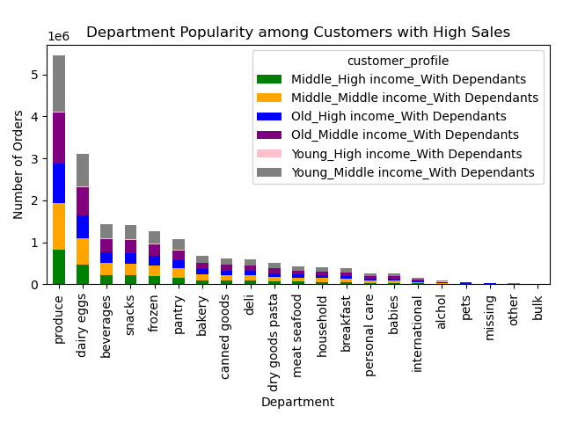
 |  |  |  |  |  |  | Title page

Visualisations

In this tab you should include all the visualtions from Exercises 4.9 and 4.10, alongside the questions from the project brief that they answer. Include any commentary on the relationship between different variables.

Key Questions:

Question 1: The sales team needs to know what the busiest days of the week and hours of the day are (i.e., the days and times with the most orders) in order to schedule ads at times when there are fewer orders.
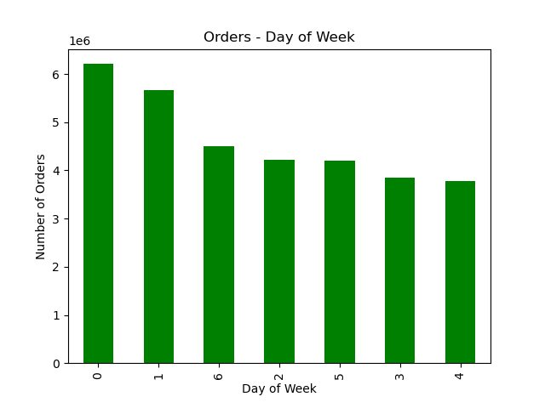
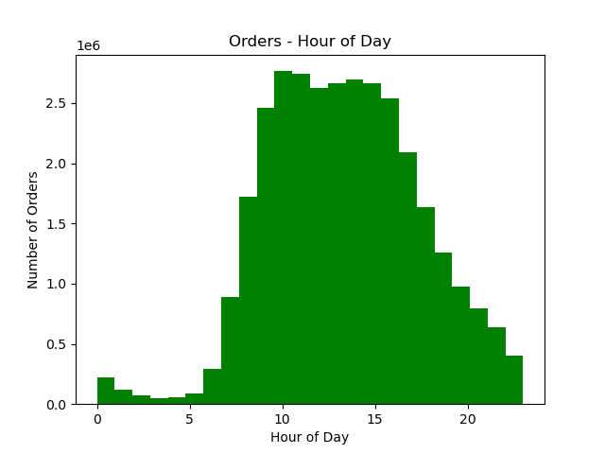

The busiest day of the week was 0 which corresponds to Saturday.
The busiest hour of the day was 10 am, and the peak hours were between 10 and 15.

Question 2: Whether there are particular times of the day when people spend the most money, as this might inform the type of products they advertise at these times.
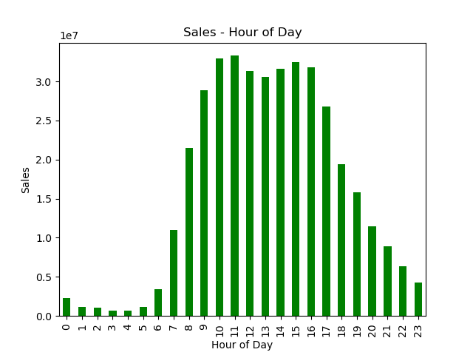

People spent the most money at 11 am.
Sales were significantly high between 10 to 16.

Question 3: Instacart has a lot of products with different price tags. Marketing and sales want to use simpler price range groupings to help direct their efforts.
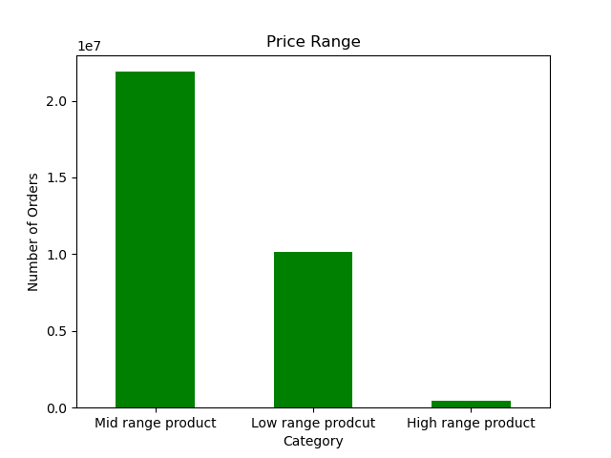

Price range groups were as follows:
prices <= 5: 'Low range product'
price > 5 and <= 15: 'Mid range product'
price >15: 'High range product'

Question 4: Are there certain types of products that are more popular than others? The marketing and sales teams want to know which departments have the highest frequency of product orders.

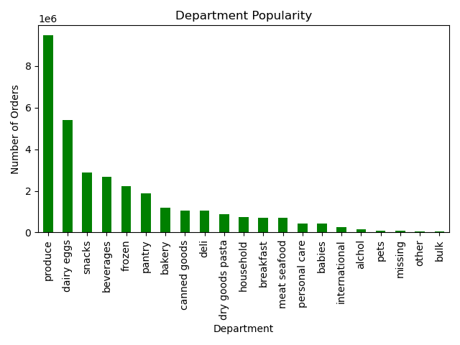

Department 'produce' was the most popular among departments.
'dairy eggs' and 'snacks' were in the 2nd and 3rd place.

Question 5: Marketing strategy related
Q 5.1: What’s the distribution among users in regards to their brand loyalty (i.e., how often do they return to Instacart)?
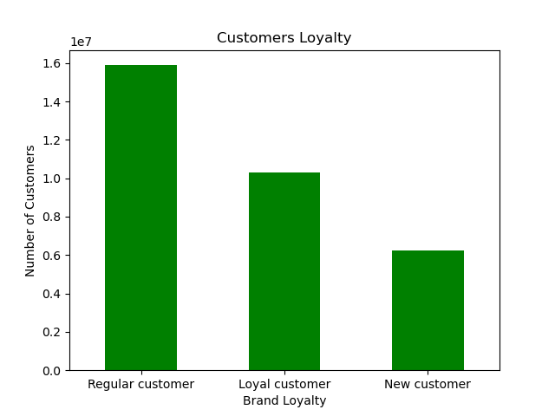
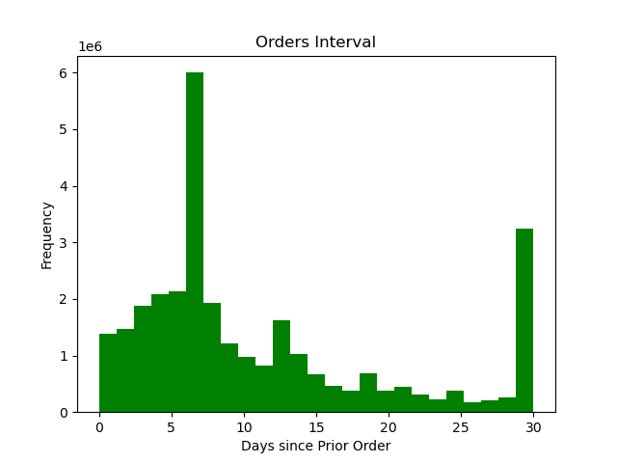

Most of our customers were 'Regular customer' (orders: 10-40), and then 'Loyal customer' (orders: > 40)
Most of our customers revisited and purchased 6 days since prior order.

Q 5.2: Are there differences in ordering habits based on a customer’s loyalty status?

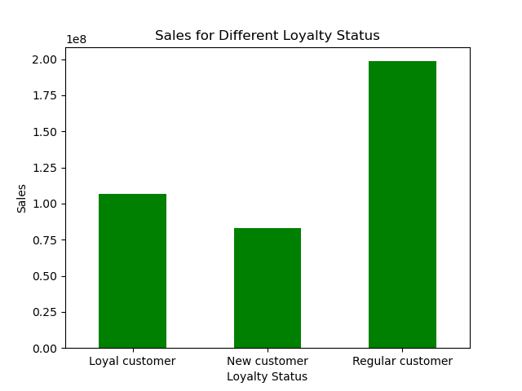
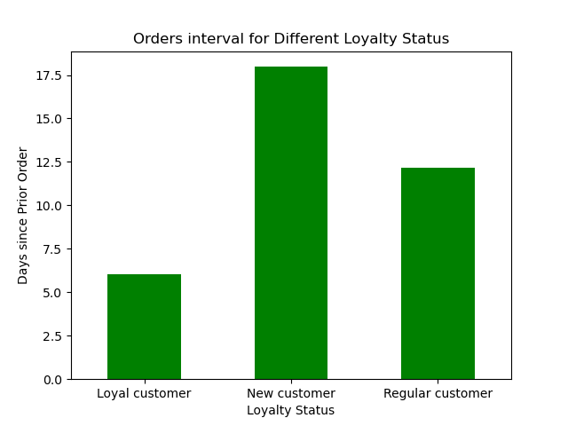
 |  | Ordering habits based on Loylaty Status:
 | 1) | Sales: 'Regular customers' accounted for the largest portion of sales.

 | 2) | Orders interval:
 |  | shortest | Loyal customer |  | 6 days
 |  | longest | New customer |  | 17.5 days

 | 3) | Which day of week (dow) had most orders?
 |  | Loyal customer |  | 1 | Sunday | 1845387
 |  |  |  | 0 | Saturday | 1756216
 |  |  |  | 5 | Thursday | 1458107
 |  | Regular customer |  | 0 | Saturday | 3171836
 |  |  |  | 1 | Sunday | 2752020
 |  |  |  | 6 | Friday | 2284262
 |  | New customer |  | 0 | Saturday | 1281580
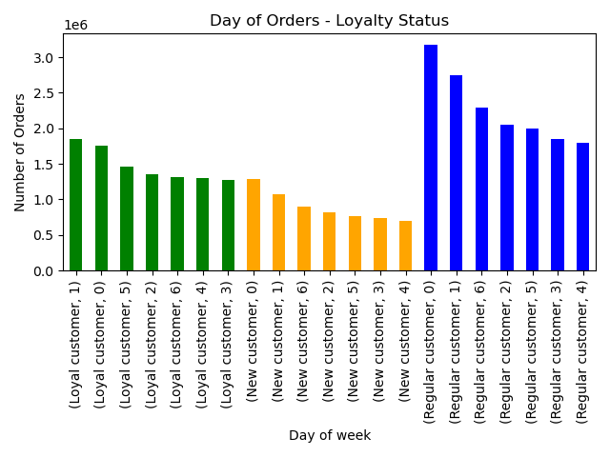
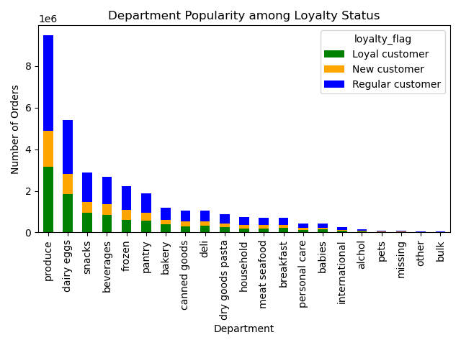
 |  |  |  | 1 | Sunday | 1068423
 |  |  |  | 6 | Friday | 896507

 | 4) | What time of the day (hod) had most orders? (Figure not shown here)
 |  | Loyal customer |  | 10 | 938581
 |  |  |  | 9 | 883711
 |  |  |  | 11 | 873880
 |  | Regular customer |  | 11 | 1340313
 |  |  |  | 10 | 1330939
 |  |  |  | 14 | 1324011
 |  | New customer |  | 15 | 540901
 |  |  |  | 13 | 531953
 |  |  |  | 14 | 531638

 | 5) | Department popularity: 'produce', 'dairy eggs' and 'snacks' were top 3 departments in each loyal status.

Q 5.3: Are there differences in ordering habits based on a customer’s region?

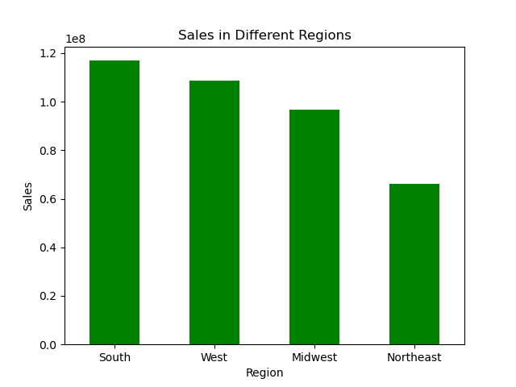
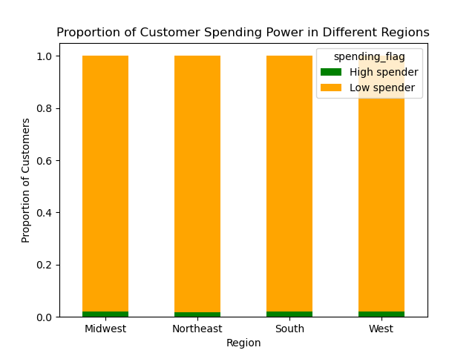
 |  | Ordering habits based on Regions:
 | 1) | Sales: Customers in 'South' accounted for the largest portion of sales.

 | 2) | Proportion of customer spending power in different regions had no significant difference.
 |  | Numbers of 'High spender' were very low countrywide.

 | 3) | Which day of week (dow) had most orders?
 |  | Midwest | 0 | Saturday | 1461356
 |  |  | 1 | Sunday | 1322079
 |  | Northeast | 0 | Saturday | 1098361
 |  |  | 1 | Sunday | 1000935
 |  | South | 0 | Saturday | 1813306
 |  |  | 1 | Sunday | 1675788
 |  | West | 0 | Saturday | 1836609
 |  |  | 1 | Sunday | 1667028
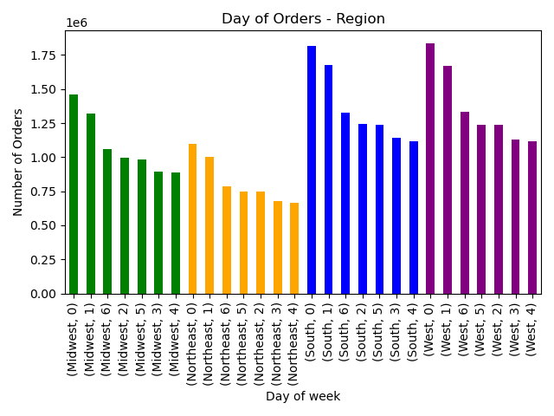
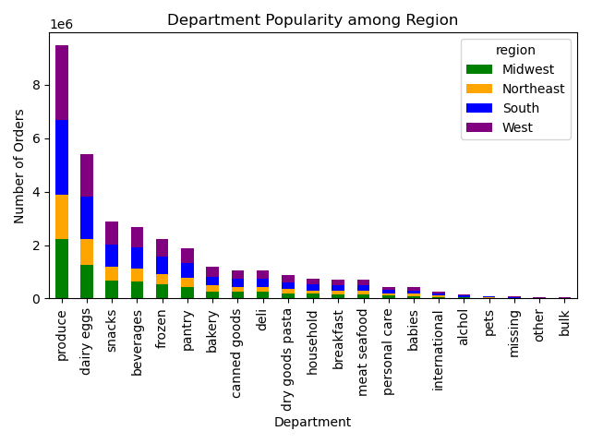

 | 4) | What time of the day (hod) had most orders? (Figure not shown here)
 |  | Midwest |  | 10 | 647210
 |  |  |  | 11 | 642398
 |  | Northeast |  | 10 | 485320
 |  |  |  | 11 | 483329
 |  | South |  | 10 | 816593
 |  |  |  | 11 | 805890
 |  | West |  | 10 | 815267
 |  |  |  | 11 | 806968

 | 5) | Department popularity: 'produce', 'dairy eggs' and 'snacks' were top 3 departments in each region.

Q 5.4: Is there a connection between age and family status in terms of ordering habits?

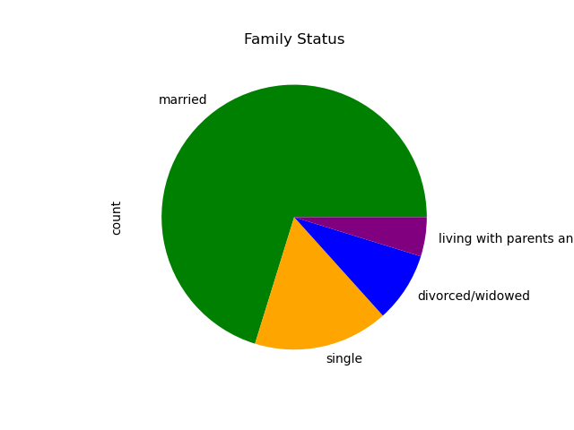

Most of our customers were 'married'.
Proportion of customer in different family status and age groups:
- all customers who were 'divorced/widowed' were over 60 yrs;
- all customers who were 'living with parents and sinlings' were between 18 and 40;
- 'Single' customers were between 18 and 60;
- Age groups in 'married' customers were well distributed.
Loyalty status were well distributed among each age group.

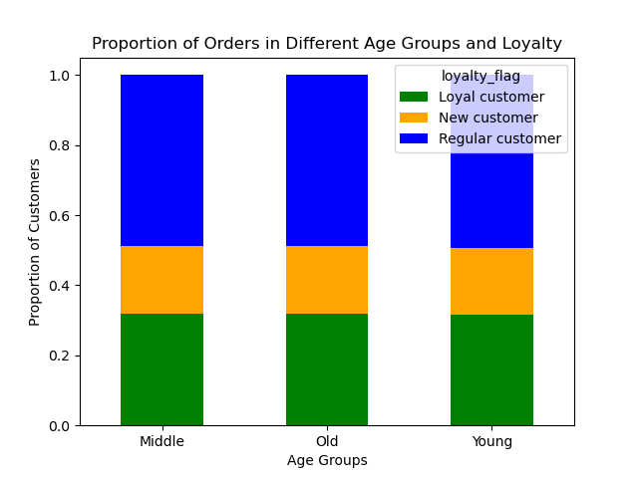
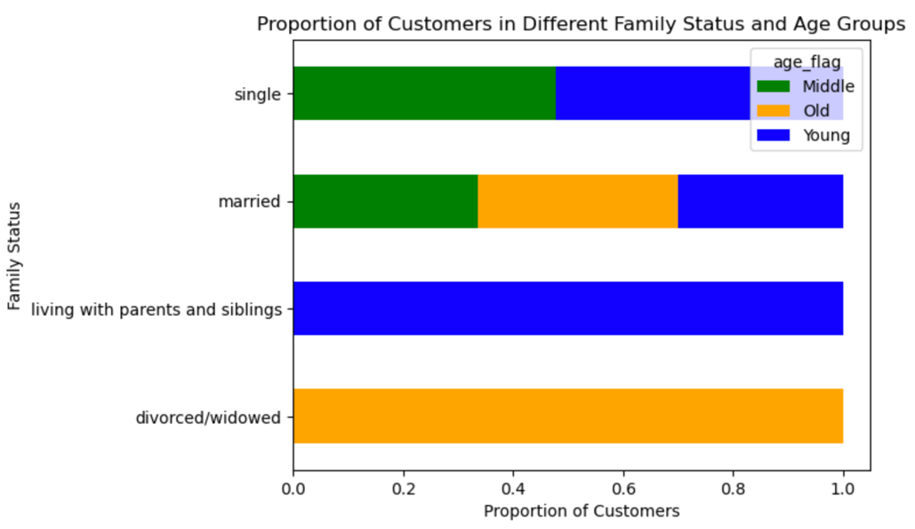

Q 5.5 & Q 5.6: Customer Profile
What different classifications does the demographic information suggest? Age? Income? Certain types of goods? Family status?
What differences can you find in ordering habits of different customer profiles? Consider the price of orders, the frequency of orders, the products customers are ordering, and anything else you can think of.

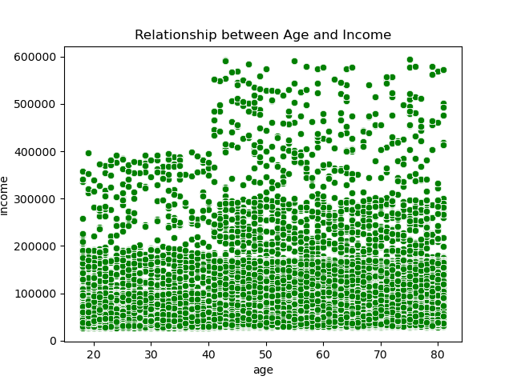
Income:
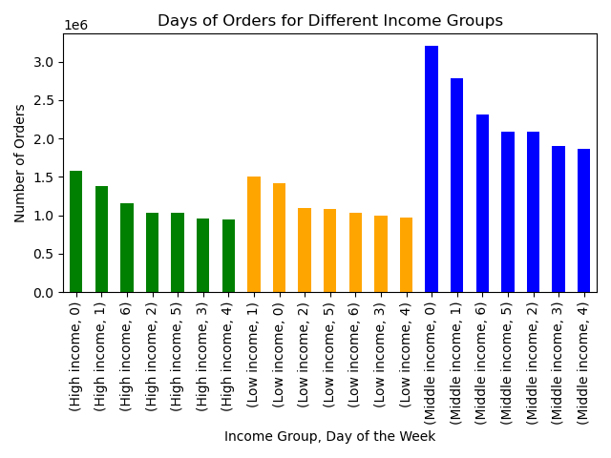

Saturday (0) and Sunday (1) had the most number of orders independent of income groups.
There was a 'watershed' at the age of 40: where the customers over 40 have significant higher spending power.

Customer Profile:
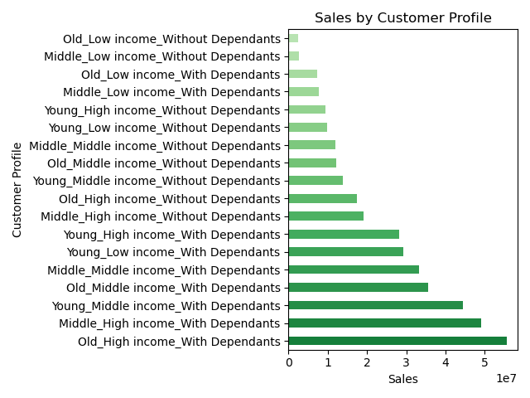
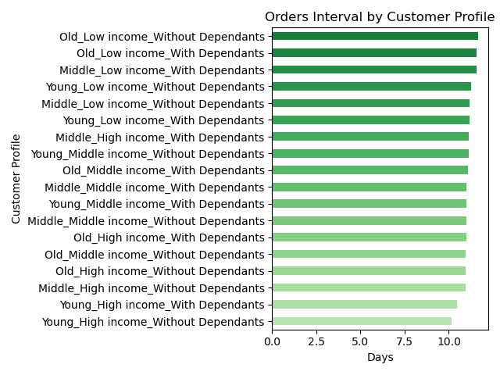

Sales: High and middle income customers with dependants had high sales independent of age groups.
Orders interval: although 'with dependants' customers contributed more in sales, the customers without depdendants had shorter orders interval (indicating they revisit and purchased more often).
Department popularity:
- The analysis were conducted for selected customers who contributed in sales.
- 'produce', 'dairy eggs' and 'beverages' were top 3 popular departments for the selected customers.

7. Recommendations
 |  | Title page

Recommendations

In this tab you should include any recommendations you would made to Instcart in terms of their marketing strategy based on the questions posed in the brief. Every key question has been covered in the Tasks of the Exercises - here you need to add an item - a visualisation or table/crosstable that is showing the answer in the data, acompanied by a comment from you. Please, list the questions below and add the answer underneath.

Question | Answer
Key Question 1: what are the busiest days of the week and hours of the day. | The busiest days of the week are Saturdays and Sundays. The busiest hours with the most orders are abour 10am and the peak hours are between 10 and 15. Recommendations to optimize marketing campaigns by e.g. scheduling ads on the social media at 9 am to boost sales and organizing special offers/activities on Friday.
Key Question 2: Whether there are particular times of the day when people spend the most money. | 11 am is the time of the day people spend the most money and sales are high between 10 and 16 - this indicates the appropriate advertising time.
Key Question 3: Marketing and sales want to use simpler price range groupings to help direct their efforts. | Mid range products ($5 - $15) are most sold - it accounts for about 65% number of orders. A high proportion of ads regarding this type of products are highly recommended.
Key Question 4: Are there certain types of products that are more popular than others? | 'produce', 'dairy eggs' and 'snacks' are top 3 type of products. Regular promotions for products in these types may boost the sales.
Key Question 5: What’s the distribution among users in regards to their brand loyalty (i.e., how often do they return to Instacart)? | Most of our customers were 'Regular customer' (orders: 10-40), and then 'Loyal customer' (orders: > 40) Most of our customers revisited and purchased 6 days since prior order. To maxium the transfer rate from 'Regular customer' into 'Loyal customers', we may consider optimizing the email marketing strategy e.g. send private code/special offer to these target customers 4-5 days after their last order.
Key Question 6: Are there differences in ordering habits based on a customer’s loyalty status? | 'Regular customers' accounted for the largest portion of sales and 'Loyal customers' have the shortest orders interval which is about 5 days. Saturdays and Sundays are busiest days of the week independent of loyalty status. 'produce', 'dairy eggs' and 'snacks' are top 3 type of products. We may provide targeted promotions for 'Regular customers' and reward the 'Loyal customers' e.g. loyalty points.
Key Question 7: Are there differences in ordering habits based on a customer’s region? | Customers in 'South' account for the largest portion of sales. And the customer behavior regarding ordering time of the day, ordering day of the week as well as popular departments have no big difference.
Key Question 8: Is there a connection between age and family status in terms of ordering habits? | Most of our customers are married. And the loyalty status is well distributed among age groups. No significant connection is detected.
Key Question 9&10: Customer Profile What different classifications does the demographic information suggest? Age? Income? Certain types of goods? Family status? What differences can you find in ordering habits of different customer profiles? Consider the price of orders, the frequency of orders, the products customers are ordering, and anything else you can think of. | High and middle income customers with dependants had high sales independent of age groups. And although 'with dependants' customers contributed more in sales, the customers without depdendants had shorter orders interval (indicating they revisit and purchased more often). Consider targeted marketing for High and Middle-Income Customers with Dependents e.g. family-friendly products, bundle deals; and also consider running promotions to encourage customers without dependants to spend more per order e.g. discounts for larger orders, or loyalty rewards for reaching certain spending thresholds.

